Data
RPS 2020 Fixation www.putta.in

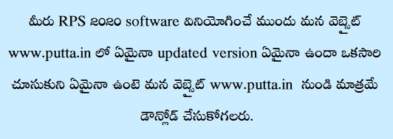
Name of the Employee |  |  | Sri. |  | Putta Srinivas Reddy
Designation as on Option Date |  |  |  |  | Secondary Grade Teacher
Present Designation |  |  |  |  | Secondary Grade Teacher
Name of the Office/ School |  |  |  |  | MPPS SRM
Place of the Office/ School |  |  |  |  | Domakonda
Mandal |  |  |  |  | Domakonda
District |  |  |  |  | Kamareddy
Employee ID |  |  |  |  | 2026087 |  |  | PF Type |  |  | ZPGPF

Proceeding issued by (Designation) |  |  |  |  | Mandal Educational Officer
Name of the Officer |  |  | Sri. |  | M.Sevla, M.A, B.Ed
Office of the Officer |  |  |  |  | M.P Domakonda
Designation of the DDO |  |  |  |  | Complex Headmaster
DDO Office |  |  |  |  | ZPHS Boys Domakonda
DDO Code |  |  |  |  | 15010308101

Option Date | 01.07.2018 |  |  |  |  |  | No need to enter here |  |  |  |  | Aug, 2018
Basic Pay as on Option Date i.e on : 01.07.2018 |  |  |  |  |  |  |  |  |  |  |  | 34170
Standard Allowance Details
Telangana Increment |  | 390 | Family Planing Increment |  |  |  |  | 15 | PHC Allowance |  |  | Yes
Additional Qualification Increments sanctioned upto RPS 1993 |  |  |  |  |  |  |  |  | 20 | www.putta.in
Revised Allowance Details
As Per | HMA |  | Higher Class |  |  | AHRA |  | SCA
RPS 2015 | 10 |  | 20 |  |  | No |  | 0 |  | 0 |  | 0
RPS 2021 | 20 |  | 30 |  |  | 0 |  | 0 |  | 0 |  | 0

 |  | Prefared and Devolped by
 |  | PUTTA SRINIVAS REDDY

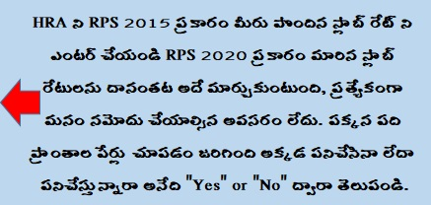
 |  |  | cnureddyputta@gmail.com
 |  |  | 98490 25860
HRA and CCA Particulars if applicable any
HRA as on option |  | 30 | any change |  | No | Changed to % & w.e.f |  |  |  | 12 | 4 | 6 | 2019
1.Mulugu, 2. Bhupalapally, 3. Mahaboobabad, 4. Narayanpet, 5. Medak, 6. Asifabad, 7. Peddapalli, 8. Nagarkurnool, 9. Shamirpet (Medchal Malkajgiri Dist), 10. Shamshabad (R.R.Dist.)
 |  |  |  |  |  |  |  |  |  |  |  |  |  | No
CCA as on option | No CCA |  |  |  |  | Any Change in CCA |  |  |  | GHMC
CCA Changed w.e.f |  | 1 | 6 | 2020 |  | www.putta.in
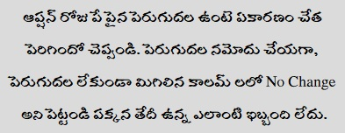
Basic Pay Changes www.putta.in
Scale of Pay as on option |  |  | 29760 - 80930 |  |  | SPP-IA |  | Revised Scale of Pay |  |  |  | 54220 - 133630 |  |  | SPP-IA
Pay Raised Due to |  |  | DD | MM | Year |  | RPS 2015 Scale of Pay |  |  | RPS 2015 Basic Pay |  | RPS 2021 Scale of Pay |  |  | RPS 2021 Basic Pay

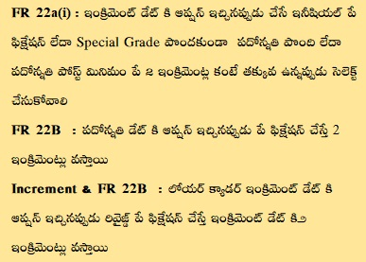
Increment |  |  | 1 | 10 | 2018 |  | 29760 - 80930 |  |  | 35120 |  | 54220 - 133630 |  |  | 57220
Increment |  |  | 1 | 10 | 2019 |  | 29760 - 80930 |  |  | 36070 |  | 54220 - 133630 |  |  | 58850
Increment |  |  | 1 | 10 | 2020 |  | 29760 - 80930 |  |  | 37100 |  | 54220 - 133630 |  |  | 60480
AAS 18yrs SPP-IB |  |  | 17 | 10 | 2020 |  | 29760 - 80930 |  |  | 38130 |  | 54220 - 133630 |  |  | 62110
No Change |  |  | 2 | 6 | 2021 |  | 29760 - 80930 |  |  | 38130 |  | 54220 - 133630 |  |  | 62110
No Change |  |  | 1 | 10 | 2019 |  | 29760 - 80930 |  |  | 38130 |  | 54220 - 133630 |  |  | 62110
Next Increment as on |  |  | 1 | 10 | 2021 |  | Are you retired form the service before 31.03.2021 |  |  |  |  |  |  |  |  | No
Surrender Leave 1 |  |  | 30 | 3 | 2020 |  |  |  |  |  |  | Dec, 2020 |  | www.putta.in
Surrender Leave 2 |  |  | 15 | 5 | 2021 |  | Bill Period upto |  |  |  |  | May,21
Please verify your fixation with expert

